Sheet1
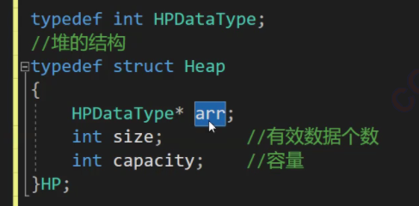

int parent = (child - 1) / 2; //找到父节点的索引 while (child > 0 && arr[child] > arr[parent]) { Swap(&arr[child], &arr[parent]); //如果子节点大于父节点则交换,Swap为交换函数 child = parent; //更新子节点索引为父节点 parent = (child - 1) / 2; //继续向上调整 } | 6

void Swap(HPDataType* x, HPDataType* y) { HPDataType temp = *x; *x = *y; *y = temp; }

